Action and Decision Log
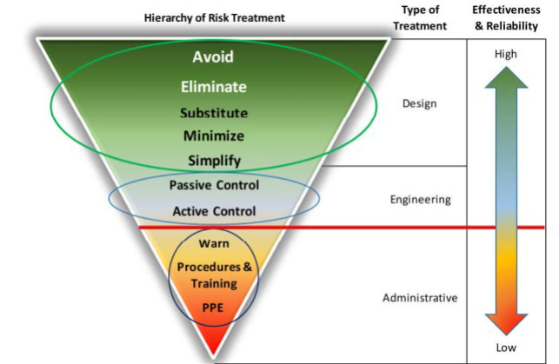

ACTION AND DECISION LOG

Project Name: | XXXXXX
Project Number: | YYYYY

Colour | Status | Count
 | Overdue | 0
 | Underway | 0
 | Open | 0
 | Done | 0

Action Ref. | Issue | Action | Responsible | Due Date | Status | Comment | Date Completed
A1
A2
A3
A4
A5
A6
A7
A8
A9
A10
A11
A12
A13
A14
A15
A16
A17
A18
A19
A20
A21
A22
A23
A24
A25
A26
A27
A28
A29
A30
A31
A32
A33
A34
A35
A36
A37
A38
A39

